Sheet4
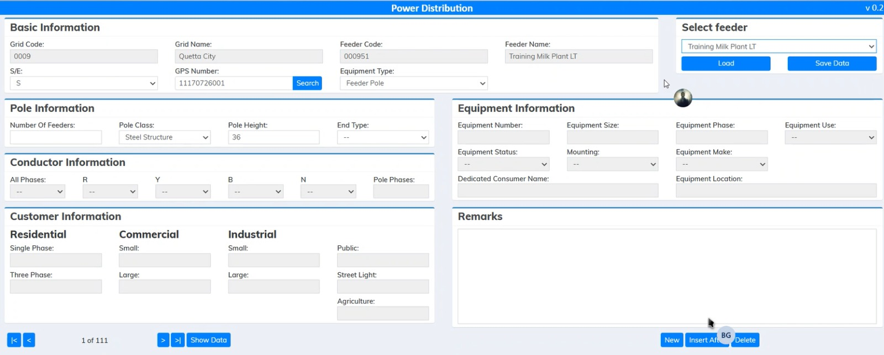

pole_typ
for pole information

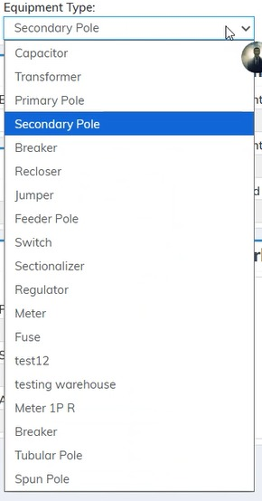
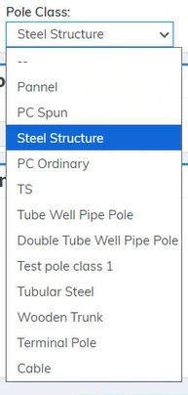
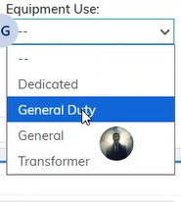
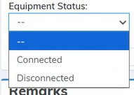
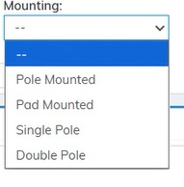

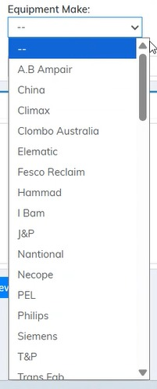

 | user defined text

 | seconday conductor | primay conductor

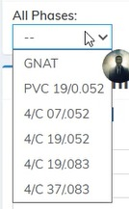

 |  |  | 2/0 AWG
 |  |  | 4/0 AWG
 |  |  | 500 MCM
 |  |  | ANT
 |  |  | DOG
 |  |  | GOPHER
 |  |  | OSPREY
 |  |  | PANTHER
 |  |  | RABBIT
 |  |  | WASP
 |  |  | 220 MM
 |  |  | 240 MM
 |  |  | 120 MCM
 |  |  | 350 MCM
 |  |  | 240 MCM
 |  |  | Steel Wire
 |  |  | T Wire
 |  |  | Telephone Pole

